Datailed Inquiry Information
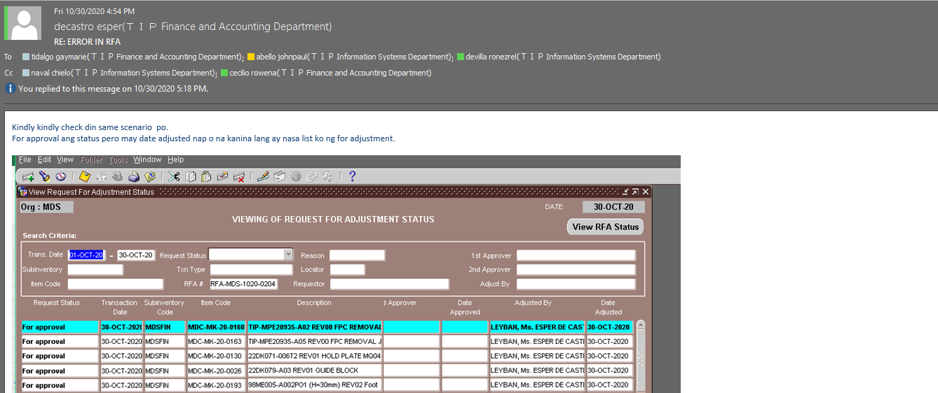
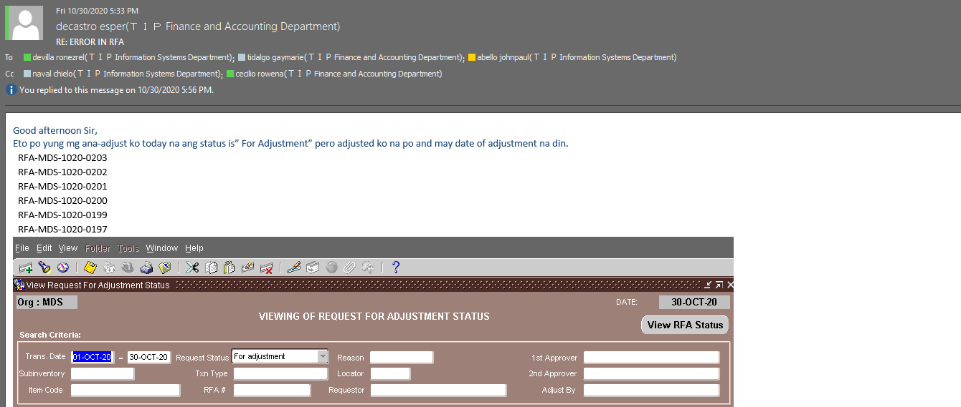
Datailed Inquiry Information

Detailed Investigation Result
Detailed Investigation Result

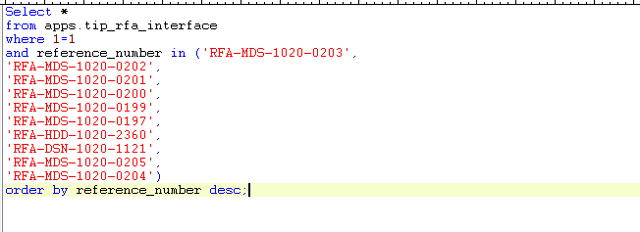

 | TRANSACTION_ID | TRANSACTION_DATE | ORGANIZATION_ID | SUBINVENTORY_CODE | INVENTORY_ITEM_ID | ITEM_CODE | TRANSACTION_TYPE_ID | TRANSACTION_TYPE_NAME | LOCATOR_ID | LOCATOR_CODE | REFERENCE_NUMBER | ADJUSTMENT_QUANTITY | REASON_ID | REASON_CODE | REFERENCE_TYPE | REMARKS | NEXT_APPROVER | PROCESS_FLAG | REQUESTOR_ID | REQUESTOR_NAME | DATE_REQUESTED | APPROVER1_ID | APPROVER1_NAME | DATE_APPROVED1 | APPROVER2_ID | APPROVER2_NAME | DATE_APPROVED2 | ADJUSTED_BY_ID | ADJUSTED_BY_NAME | DATE_ADJUSTED | LAST_UPDATED_BY | LAST_UPDATED_DATE | ERROR_MESSAGE | RFA_FLAG
 | 869008 | 2020-10-30 | 324 | MDSFIN | 3389165 | MDC-EJ-A0016 | 307 | EME3 Interdep expense transfer |  |  | RFA-MDS-1020-0205 | 1 | 33 | MAS-13 | Interdept Expense transfer | 3007320 | 4417 | 2 | 14364 | Z7473TIP | 10/30/20 | 4237 | Z0279TIP | 10/30/20 |  |  |  | 4417 | Z1270TIP | 10/30/20 | 4417 | 10/30/20 |  | 20
 | 869007 | 2020-10-30 | 324 | MDSFIN | 3397369 | MDC-EJ-A0020 | 307 | EME3 Interdep expense transfer |  |  | RFA-MDS-1020-0205 | 1 | 33 | MAS-13 | Interdept Expense transfer | 3007320 | 4417 | 2 | 14364 | Z7473TIP | 10/30/20 | 4237 | Z0279TIP | 10/30/20 |  |  |  | 4417 | Z1270TIP | 10/30/20 | 4417 | 10/30/20 |  | 20
 | 868983 | 2020-10-30 | 324 | MDSFIN | 3799335 | MDC-MK-20-0247 | 319 | MPE4 Interdep expense transfer |  |  | RFA-MDS-1020-0204 | 2 | 33 | MAS-13 | Interdept expense transfer | 3002330 | 4417 | 2 | 14364 | Z7473TIP | 10/30/20 | 4237 | Z0279TIP | 10/30/20 |  |  |  | 4417 | Z1270TIP | 10/30/20 | 4417 | 10/30/20 |  | 20
 | 868984 | 2020-10-30 | 324 | MDSFIN | 3799316 | MDC-MK-20-0258 | 319 | MPE4 Interdep expense transfer |  |  | RFA-MDS-1020-0204 | 12 | 33 | MAS-13 | Interdept expense transfer | 3002330 | 4417 | 2 | 14364 | Z7473TIP | 10/30/20 | 4237 | Z0279TIP | 10/30/20 |  |  |  | 4417 | Z1270TIP | 10/30/20 | 4417 | 10/30/20 |  | 20
 | 868948 | 2020-10-30 | 324 | MDSFIN | 3768508 | MDC-MK-20-0160 | 319 | MPE4 Interdep expense transfer |  |  | RFA-MDS-1020-0204 | 170 | 33 | MAS-13 | Interdept expense transfer | 3002330 | 4417 | 2 | 14364 | Z7473TIP | 10/30/20 | 4237 | Z0279TIP | 10/30/20 |  |  |  | 4417 | Z1270TIP | 10/30/20 | 4417 | 10/30/20 |  | 20
 | 868949 | 2020-10-30 | 324 | MDSFIN | 3768511 | MDC-MK-20-0163 | 319 | MPE4 Interdep expense transfer |  |  | RFA-MDS-1020-0204 | 100 | 33 | MAS-13 | Interdept expense transfer | 3002330 | 4417 | 2 | 14364 | Z7473TIP | 10/30/20 | 4237 | Z0279TIP | 10/30/20 |  |  |  | 4417 | Z1270TIP | 10/30/20 | 4417 | 10/30/20 |  | 20
 | 868950 | 2020-10-30 | 324 | MDSFIN | 3707415 | MDC-MK-20-0130 | 319 | MPE4 Interdep expense transfer |  |  | RFA-MDS-1020-0204 | 25 | 33 | MAS-13 | Interdept expense transfer | 3002330 | 4417 | 2 | 14364 | Z7473TIP | 10/30/20 | 4237 | Z0279TIP | 10/30/20 |  |  |  | 4417 | Z1270TIP | 10/30/20 | 4417 | 10/30/20 |  | 20
 | 868951 | 2020-10-30 | 324 | MDSFIN | 3577746 | MDC-MK-20-0026 | 319 | MPE4 Interdep expense transfer |  |  | RFA-MDS-1020-0204 | 300 | 33 | MAS-13 | Interdept expense transfer | 3002330 | 4417 | 2 | 14364 | Z7473TIP | 10/30/20 | 4237 | Z0279TIP | 10/30/20 |  |  |  | 4417 | Z1270TIP | 10/30/20 | 4417 | 10/30/20 |  | 20
 | 868952 | 2020-10-30 | 324 | MDSFIN | 3770685 | MDC-MK-20-0193 | 319 | MPE4 Interdep expense transfer |  |  | RFA-MDS-1020-0204 | 25 | 33 | MAS-13 | Interdept expense transfer | 3002330 | 4417 | 2 | 14364 | Z7473TIP | 10/30/20 | 4237 | Z0279TIP | 10/30/20 |  |  |  | 4417 | Z1270TIP | 10/30/20 | 4417 | 10/30/20 |  | 20
 | 868953 | 2020-10-30 | 324 | MDSFIN | 3707417 | MDC-MK-20-0134 | 319 | MPE4 Interdep expense transfer |  |  | RFA-MDS-1020-0204 | 33 | 33 | MAS-13 | Interdept expense transfer | 3002330 | 4417 | 2 | 14364 | Z7473TIP | 10/30/20 | 4237 | Z0279TIP | 10/30/20 |  |  |  | 4417 | Z1270TIP | 10/30/20 | 4417 | 10/30/20 |  | 20
 | 868954 | 2020-10-30 | 324 | MDSFIN | 3799272 | MDC-MK-20-0220 | 319 | MPE4 Interdep expense transfer |  |  | RFA-MDS-1020-0204 | 5 | 33 | MAS-13 | Interdept expense transfer | 3002330 | 4417 | 2 | 14364 | Z7473TIP | 10/30/20 | 4237 | Z0279TIP | 10/30/20 |  |  |  | 4417 | Z1270TIP | 10/30/20 | 4417 | 10/30/20 |  | 20
 | 868955 | 2020-10-30 | 324 | MDSFIN | 3799304 | MDC-MK-20-0221 | 319 | MPE4 Interdep expense transfer |  |  | RFA-MDS-1020-0204 | 2 | 33 | MAS-13 | Interdept expense transfer | 3002330 | 4417 | 2 | 14364 | Z7473TIP | 10/30/20 | 4237 | Z0279TIP | 10/30/20 |  |  |  | 4417 | Z1270TIP | 10/30/20 | 4417 | 10/30/20 |  | 20
 | 868956 | 2020-10-30 | 324 | MDSFIN | 3799305 | MDC-MK-20-0222 | 319 | MPE4 Interdep expense transfer |  |  | RFA-MDS-1020-0204 | 2 | 33 | MAS-13 | Interdept expense transfer | 3002330 | 4417 | 2 | 14364 | Z7473TIP | 10/30/20 | 4237 | Z0279TIP | 10/30/20 |  |  |  | 4417 | Z1270TIP | 10/30/20 | 4417 | 10/30/20 |  | 20
 | 868957 | 2020-10-30 | 324 | MDSFIN | 3799306 | MDC-MK-20-0223 | 319 | MPE4 Interdep expense transfer |  |  | RFA-MDS-1020-0204 | 2 | 33 | MAS-13 | Interdept expense transfer | 3002330 | 4417 | 2 | 14364 | Z7473TIP | 10/30/20 | 4237 | Z0279TIP | 10/30/20 |  |  |  | 4417 | Z1270TIP | 10/30/20 | 4417 | 10/30/20 |  | 20
 | 868958 | 2020-10-30 | 324 | MDSFIN | 3799307 | MDC-MK-20-0224 | 319 | MPE4 Interdep expense transfer |  |  | RFA-MDS-1020-0204 | 2 | 33 | MAS-13 | Interdept expense transfer | 3002330 | 4417 | 2 | 14364 | Z7473TIP | 10/30/20 | 4237 | Z0279TIP | 10/30/20 |  |  |  | 4417 | Z1270TIP | 10/30/20 | 4417 | 10/30/20 |  | 20
 | 868959 | 2020-10-30 | 324 | MDSFIN | 3799308 | MDC-MK-20-0225 | 319 | MPE4 Interdep expense transfer |  |  | RFA-MDS-1020-0204 | 2 | 33 | MAS-13 | Interdept expense transfer | 3002330 | 4417 | 2 | 14364 | Z7473TIP | 10/30/20 | 4237 | Z0279TIP | 10/30/20 |  |  |  | 4417 | Z1270TIP | 10/30/20 | 4417 | 10/30/20 |  | 20
 | 868961 | 2020-10-30 | 324 | MDSFIN | 3799310 | MDC-MK-20-0227 | 319 | MPE4 Interdep expense transfer |  |  | RFA-MDS-1020-0204 | 2 | 33 | MAS-13 | Interdept expense transfer | 3002330 | 4417 | 2 | 14364 | Z7473TIP | 10/30/20 | 4237 | Z0279TIP | 10/30/20 |  |  |  | 4417 | Z1270TIP | 10/30/20 | 4417 | 10/30/20 |  | 20
 | 868962 | 2020-10-30 | 324 | MDSFIN | 3799311 | MDC-MK-20-0228 | 319 | MPE4 Interdep expense transfer |  |  | RFA-MDS-1020-0204 | 2 | 33 | MAS-13 | Interdept expense transfer | 3002330 | 4417 | 2 | 14364 | Z7473TIP | 10/30/20 | 4237 | Z0279TIP | 10/30/20 |  |  |  | 4417 | Z1270TIP | 10/30/20 | 4417 | 10/30/20 |  | 20
 | 868963 | 2020-10-30 | 324 | MDSFIN | 3799312 | MDC-MK-20-0255 | 319 | MPE4 Interdep expense transfer |  |  | RFA-MDS-1020-0204 | 4 | 33 | MAS-13 | Interdept expense transfer | 3002330 | 4417 | 2 | 14364 | Z7473TIP | 10/30/20 | 4237 | Z0279TIP | 10/30/20 |  |  |  | 4417 | Z1270TIP | 10/30/20 | 4417 | 10/30/20 |  | 20
 | 868965 | 2020-10-30 | 324 | MDSFIN | 3799313 | MDC-MK-20-0256 | 319 | MPE4 Interdep expense transfer |  |  | RFA-MDS-1020-0204 | 4 | 33 | MAS-13 | Interdept expense transfer | 3002330 | 4417 | 2 | 14364 | Z7473TIP | 10/30/20 | 4237 | Z0279TIP | 10/30/20 |  |  |  | 4417 | Z1270TIP | 10/30/20 | 4417 | 10/30/20 |  | 20
 | 868966 | 2020-10-30 | 324 | MDSFIN | 3799315 | MDC-MK-20-0257 | 319 | MPE4 Interdep expense transfer |  |  | RFA-MDS-1020-0204 | 4 | 33 | MAS-13 | Interdept expense transfer | 3002330 | 4417 | 2 | 14364 | Z7473TIP | 10/30/20 | 4237 | Z0279TIP | 10/30/20 |  |  |  | 4417 | Z1270TIP | 10/30/20 | 4417 | 10/30/20 |  | 20
 | 868967 | 2020-10-30 | 324 | MDSFIN | 3799318 | MDC-MK-20-0230 | 319 | MPE4 Interdep expense transfer |  |  | RFA-MDS-1020-0204 | 2 | 33 | MAS-13 | Interdept expense transfer | 3002330 | 4417 | 2 | 14364 | Z7473TIP | 10/30/20 | 4237 | Z0279TIP | 10/30/20 |  |  |  | 4417 | Z1270TIP | 10/30/20 | 4417 | 10/30/20 |  | 20
 | 868969 | 2020-10-30 | 324 | MDSFIN | 3799320 | MDC-MK-20-0232 | 319 | MPE4 Interdep expense transfer |  |  | RFA-MDS-1020-0204 | 8 | 33 | MAS-13 | Interdept expense transfer | 3002330 | 4417 | 2 | 14364 | Z7473TIP | 10/30/20 | 4237 | Z0279TIP | 10/30/20 |  |  |  | 4417 | Z1270TIP | 10/30/20 | 4417 | 10/30/20 |  | 20
 | 868970 | 2020-10-30 | 324 | MDSFIN | 3799321 | MDC-MK-20-0233 | 319 | MPE4 Interdep expense transfer |  |  | RFA-MDS-1020-0204 | 2 | 33 | MAS-13 | Interdept expense transfer | 3002330 | 4417 | 2 | 14364 | Z7473TIP | 10/30/20 | 4237 | Z0279TIP | 10/30/20 |  |  |  | 4417 | Z1270TIP | 10/30/20 | 4417 | 10/30/20 |  | 20
 | 868973 | 2020-10-30 | 324 | MDSFIN | 3799324 | MDC-MK-20-0236 | 319 | MPE4 Interdep expense transfer |  |  | RFA-MDS-1020-0204 | 8 | 33 | MAS-13 | Interdept expense transfer | 3002330 | 4417 | 2 | 14364 | Z7473TIP | 10/30/20 | 4237 | Z0279TIP | 10/30/20 |  |  |  | 4417 | Z1270TIP | 10/30/20 | 4417 | 10/30/20 |  | 20
 | 868976 | 2020-10-30 | 324 | MDSFIN | 3799328 | MDC-MK-20-0239 | 319 | MPE4 Interdep expense transfer |  |  | RFA-MDS-1020-0204 | 2 | 33 | MAS-13 | Interdept expense transfer | 3002330 | 4417 | 2 | 14364 | Z7473TIP | 10/30/20 | 4237 | Z0279TIP | 10/30/20 |  |  |  | 4417 | Z1270TIP | 10/30/20 | 4417 | 10/30/20 |  | 20
 | 868977 | 2020-10-30 | 324 | MDSFIN | 3799329 | MDC-MK-20-0240 | 319 | MPE4 Interdep expense transfer |  |  | RFA-MDS-1020-0204 | 2 | 33 | MAS-13 | Interdept expense transfer | 3002330 | 4417 | 2 | 14364 | Z7473TIP | 10/30/20 | 4237 | Z0279TIP | 10/30/20 |  |  |  | 4417 | Z1270TIP | 10/30/20 | 4417 | 10/30/20 |  | 20
 | 868978 | 2020-10-30 | 324 | MDSFIN | 3799330 | MDC-MK-20-0241 | 319 | MPE4 Interdep expense transfer |  |  | RFA-MDS-1020-0204 | 2 | 33 | MAS-13 | Interdept expense transfer | 3002330 | 4417 | 2 | 14364 | Z7473TIP | 10/30/20 | 4237 | Z0279TIP | 10/30/20 |  |  |  | 4417 | Z1270TIP | 10/30/20 | 4417 | 10/30/20 |  | 20
 | 868974 | 2020-10-30 | 324 | MDSFIN | 3799325 | MDC-MK-20-0237 | 319 | MPE4 Interdep expense transfer |  |  | RFA-MDS-1020-0204 | 2 | 33 | MAS-13 | Interdept expense transfer | 3002330 | 4417 | 2 | 14364 | Z7473TIP | 10/30/20 | 4237 | Z0279TIP | 10/30/20 |  |  |  | 4417 | Z1270TIP | 10/30/20 | 4417 | 10/30/20 |  | 20
 | 868972 | 2020-10-30 | 324 | MDSFIN | 3799323 | MDC-MK-20-0235 | 319 | MPE4 Interdep expense transfer |  |  | RFA-MDS-1020-0204 | 2 | 33 | MAS-13 | Interdept expense transfer | 3002330 | 4417 | 2 | 14364 | Z7473TIP | 10/30/20 | 4237 | Z0279TIP | 10/30/20 |  |  |  | 4417 | Z1270TIP | 10/30/20 | 4417 | 10/30/20 |  | 20
 | 868980 | 2020-10-30 | 324 | MDSFIN | 3799332 | MDC-MK-20-0243 | 319 | MPE4 Interdep expense transfer |  |  | RFA-MDS-1020-0204 | 2 | 33 | MAS-13 | Interdept expense transfer | 3002330 | 4417 | 2 | 14364 | Z7473TIP | 10/30/20 | 4237 | Z0279TIP | 10/30/20 |  |  |  | 4417 | Z1270TIP | 10/30/20 | 4417 | 10/30/20 |  | 20
 | 868985 | 2020-10-30 | 324 | MDSFIN | 3799337 | MDC-MK-20-0248 | 319 | MPE4 Interdep expense transfer |  |  | RFA-MDS-1020-0204 | 2 | 33 | MAS-13 | Interdept expense transfer | 3002330 | 4417 | 2 | 14364 | Z7473TIP | 10/30/20 | 4237 | Z0279TIP | 10/30/20 |  |  |  | 4417 | Z1270TIP | 10/30/20 | 4417 | 10/30/20 |  | 20
 | 868979 | 2020-10-30 | 324 | MDSFIN | 3799331 | MDC-MK-20-0242 | 319 | MPE4 Interdep expense transfer |  |  | RFA-MDS-1020-0204 | 2 | 33 | MAS-13 | Interdept expense transfer | 3002330 | 4417 | 2 | 14364 | Z7473TIP | 10/30/20 | 4237 | Z0279TIP | 10/30/20 |  |  |  | 4417 | Z1270TIP | 10/30/20 | 4417 | 10/30/20 |  | 20
 | 868975 | 2020-10-30 | 324 | MDSFIN | 3799327 | MDC-MK-20-0238 | 319 | MPE4 Interdep expense transfer |  |  | RFA-MDS-1020-0204 | 2 | 33 | MAS-13 | Interdept expense transfer | 3002330 | 4417 | 2 | 14364 | Z7473TIP | 10/30/20 | 4237 | Z0279TIP | 10/30/20 |  |  |  | 4417 | Z1270TIP | 10/30/20 | 4417 | 10/30/20 |  | 20
 | 868971 | 2020-10-30 | 324 | MDSFIN | 3799322 | MDC-MK-20-0234 | 319 | MPE4 Interdep expense transfer |  |  | RFA-MDS-1020-0204 | 2 | 33 | MAS-13 | Interdept expense transfer | 3002330 | 4417 | 2 | 14364 | Z7473TIP | 10/30/20 | 4237 | Z0279TIP | 10/30/20 |  |  |  | 4417 | Z1270TIP | 10/30/20 | 4417 | 10/30/20 |  | 20
 | 868968 | 2020-10-30 | 324 | MDSFIN | 3799319 | MDC-MK-20-0231 | 319 | MPE4 Interdep expense transfer |  |  | RFA-MDS-1020-0204 | 2 | 33 | MAS-13 | Interdept expense transfer | 3002330 | 4417 | 2 | 14364 | Z7473TIP | 10/30/20 | 4237 | Z0279TIP | 10/30/20 |  |  |  | 4417 | Z1270TIP | 10/30/20 | 4417 | 10/30/20 |  | 20
 | 868964 | 2020-10-30 | 324 | MDSFIN | 3799314 | MDC-MK-20-0229 | 319 | MPE4 Interdep expense transfer |  |  | RFA-MDS-1020-0204 | 2 | 33 | MAS-13 | Interdept expense transfer | 3002330 | 4417 | 2 | 14364 | Z7473TIP | 10/30/20 | 4237 | Z0279TIP | 10/30/20 |  |  |  | 4417 | Z1270TIP | 10/30/20 | 4417 | 10/30/20 |  | 20
 | 868996 | 2020-10-30 | 324 | MDSFIN | 3805585 | MDC-MJ-A0050 | 319 | MPE4 Interdep expense transfer |  |  | RFA-MDS-1020-0204 | 2 | 33 | MAS-13 | Interdept expense transfer | 3002330 | 4417 | 2 | 14364 | Z7473TIP | 10/30/20 | 4237 | Z0279TIP | 10/30/20 |  |  |  | 4417 | Z1270TIP | 10/30/20 | 4417 | 10/30/20 |  | 20
 | 868995 | 2020-10-30 | 324 | MDSFIN | 3610948 | MDC-MJ-A023 | 319 | MPE4 Interdep expense transfer |  |  | RFA-MDS-1020-0204 | 2 | 33 | MAS-13 | Interdept expense transfer | 3002330 | 4417 | 2 | 14364 | Z7473TIP | 10/30/20 | 4237 | Z0279TIP | 10/30/20 |  |  |  | 4417 | Z1270TIP | 10/30/20 | 4417 | 10/30/20 |  | 20
 | 868994 | 2020-10-30 | 324 | MDSFIN | 3542535 | MDC-MJ-A033 | 319 | MPE4 Interdep expense transfer |  |  | RFA-MDS-1020-0204 | 10 | 33 | MAS-13 | Interdept expense transfer | 3002330 | 4417 | 2 | 14364 | Z7473TIP | 10/30/20 | 4237 | Z0279TIP | 10/30/20 |  |  |  | 4417 | Z1270TIP | 10/30/20 | 4417 | 10/30/20 |  | 20
 | 868981 | 2020-10-30 | 324 | MDSFIN | 3799333 | MDC-MK-20-0245 | 319 | MPE4 Interdep expense transfer |  |  | RFA-MDS-1020-0204 | 2 | 33 | MAS-13 | Interdept expense transfer | 3002330 | 4417 | 2 | 14364 | Z7473TIP | 10/30/20 | 4237 | Z0279TIP | 10/30/20 |  |  |  | 4417 | Z1270TIP | 10/30/20 | 4417 | 10/30/20 |  | 20
 | 868982 | 2020-10-30 | 324 | MDSFIN | 3799334 | MDC-MK-20-0246 | 319 | MPE4 Interdep expense transfer |  |  | RFA-MDS-1020-0204 | 2 | 33 | MAS-13 | Interdept expense transfer | 3002330 | 4417 | 2 | 14364 | Z7473TIP | 10/30/20 | 4237 | Z0279TIP | 10/30/20 |  |  |  | 4417 | Z1270TIP | 10/30/20 | 4417 | 10/30/20 |  | 20
 | 868986 | 2020-10-30 | 324 | MDSFIN | 3799338 | MDC-MK-20-0250 | 319 | MPE4 Interdep expense transfer |  |  | RFA-MDS-1020-0204 | 2 | 33 | MAS-13 | Interdept expense transfer | 3002330 | 4417 | 2 | 14364 | Z7473TIP | 10/30/20 | 4237 | Z0279TIP | 10/30/20 |  |  |  | 4417 | Z1270TIP | 10/30/20 | 4417 | 10/30/20 |  | 20
 | 868987 | 2020-10-30 | 324 | MDSFIN | 3799339 | MDC-MK-20-0251 | 319 | MPE4 Interdep expense transfer |  |  | RFA-MDS-1020-0204 | 2 | 33 | MAS-13 | Interdept expense transfer | 3002330 | 4417 | 2 | 14364 | Z7473TIP | 10/30/20 | 4237 | Z0279TIP | 10/30/20 |  |  |  | 4417 | Z1270TIP | 10/30/20 | 4417 | 10/30/20 |  | 20
 | 868960 | 2020-10-30 | 324 | MDSFIN | 3799309 | MDC-MK-20-0226 | 319 | MPE4 Interdep expense transfer |  |  | RFA-MDS-1020-0204 | 2 | 33 | MAS-13 | Interdept expense transfer | 3002330 | 4417 | 2 | 14364 | Z7473TIP | 10/30/20 | 4237 | Z0279TIP | 10/30/20 |  |  |  | 4417 | Z1270TIP | 10/30/20 | 4417 | 10/30/20 |  | 20
 | 868988 | 2020-10-30 | 324 | MDSFIN | 3799340 | MDC-MK-20-0252 | 319 | MPE4 Interdep expense transfer |  |  | RFA-MDS-1020-0204 | 8 | 33 | MAS-13 | Interdept expense transfer | 3002330 | 4417 | 2 | 14364 | Z7473TIP | 10/30/20 | 4237 | Z0279TIP | 10/30/20 |  |  |  | 4417 | Z1270TIP | 10/30/20 | 4417 | 10/30/20 |  | 20
 | 868989 | 2020-10-30 | 324 | MDSFIN | 3799341 | MDC-MK-20-0253 | 319 | MPE4 Interdep expense transfer |  |  | RFA-MDS-1020-0204 | 4 | 33 | MAS-13 | Interdept expense transfer | 3002330 | 4417 | 2 | 14364 | Z7473TIP | 10/30/20 | 4237 | Z0279TIP | 10/30/20 |  |  |  | 4417 | Z1270TIP | 10/30/20 | 4417 | 10/30/20 |  | 20
 | 868990 | 2020-10-30 | 324 | MDSFIN | 3799317 | MDC-MK-20-0259 | 319 | MPE4 Interdep expense transfer |  |  | RFA-MDS-1020-0204 | 4 | 33 | MAS-13 | Interdept expense transfer | 3002330 | 4417 | 2 | 14364 | Z7473TIP | 10/30/20 | 4237 | Z0279TIP | 10/30/20 |  |  |  | 4417 | Z1270TIP | 10/30/20 | 4417 | 10/30/20 |  | 20
 | 868991 | 2020-10-30 | 324 | MDSFIN | 3799326 | MDC-MK-20-0260 | 319 | MPE4 Interdep expense transfer |  |  | RFA-MDS-1020-0204 | 4 | 33 | MAS-13 | Interdept expense transfer | 3002330 | 4417 | 2 | 14364 | Z7473TIP | 10/30/20 | 4237 | Z0279TIP | 10/30/20 |  |  |  | 4417 | Z1270TIP | 10/30/20 | 4417 | 10/30/20 |  | 20
 | 868992 | 2020-10-30 | 324 | MDSFIN | 3799336 | MDC-MK-20-0261 | 319 | MPE4 Interdep expense transfer |  |  | RFA-MDS-1020-0204 | 4 | 33 | MAS-13 | Interdept expense transfer | 3002330 | 4417 | 2 | 14364 | Z7473TIP | 10/30/20 | 4237 | Z0279TIP | 10/30/20 |  |  |  | 4417 | Z1270TIP | 10/30/20 | 4417 | 10/30/20 |  | 20
 | 868993 | 2020-10-30 | 324 | MDSFIN | 3799342 | MDC-MK-20-0262 | 319 | MPE4 Interdep expense transfer |  |  | RFA-MDS-1020-0204 | 8 | 33 | MAS-13 | Interdept expense transfer | 3002330 | 4417 | 2 | 14364 | Z7473TIP | 10/30/20 | 4237 | Z0279TIP | 10/30/20 |  |  |  | 4417 | Z1270TIP | 10/30/20 | 4417 | 10/30/20 |  | 20
 | 868623 | 2020-10-30 | 324 | MDSFIN | 3673536 | MDC-MK-20-0111 | 355 | MMC Interdep expense transfer |  |  | RFA-MDS-1020-0203 | 30 | 33 | MAS-13 | Interdept Expense transfer | 4002510 | 4417 | 2 | 14364 | Z7473TIP | 10/30/20 | 4237 | Z0279TIP | 10/30/20 |  |  |  | 4417 | Z1270TIP | 10/30/20 | 4417 | 10/30/20 |  | 30
 | 868618 | 2020-10-30 | 324 | MDSFIN | 3700246 | MDC-SK-20-0126 | 333 | eSSD Interdep expense transfer |  |  | RFA-MDS-1020-0202 | 10 | 33 | MAS-13 | Interdept Expense transfer | 4003040 | 4417 | 2 | 14364 | Z7473TIP | 10/30/20 | 4237 | Z0279TIP | 10/30/20 |  |  |  | 4417 | Z1270TIP | 10/30/20 | 4417 | 10/30/20 |  | 30
 | 868617 | 2020-10-30 | 324 | MDSFIN | 3700245 | MDC-SK-20-0125 | 333 | eSSD Interdep expense transfer |  |  | RFA-MDS-1020-0202 | 10 | 33 | MAS-13 | Interdept Expense transfer | 4003040 | 4417 | 2 | 14364 | Z7473TIP | 10/30/20 | 4237 | Z0279TIP | 10/30/20 |  |  |  | 4417 | Z1270TIP | 10/30/20 | 4417 | 10/30/20 |  | 30
 | 868622 | 2020-10-30 | 324 | MDSFIN | 3702378 | MDC-SP-A0002 | 121 | SSD Interdept Asset Transfer |  |  | RFA-MDS-1020-0202 | 12 | 33 | MAS-13 | Interdept Expense transfer | 4003040 | 4417 | 2 | 14364 | Z7473TIP | 10/30/20 | 4237 | Z0279TIP | 10/30/20 |  |  |  | 4417 | Z1270TIP | 10/30/20 | 4417 | 10/30/20 |  | 30
 | 868615 | 2020-10-30 | 324 | MDSFIN | 3553005 | MDC-SK-20-0043 | 333 | eSSD Interdep expense transfer |  |  | RFA-MDS-1020-0202 | 10 | 33 | MAS-13 | Interdept Expense transfer | 4003040 | 4417 | 2 | 14364 | Z7473TIP | 10/30/20 | 4237 | Z0279TIP | 10/30/20 |  |  |  | 4417 | Z1270TIP | 10/30/20 | 4417 | 10/30/20 |  | 30
 | 868614 | 2020-10-30 | 324 | MDSFIN | 3488736 | MDC-SK-19-0222 | 333 | eSSD Interdep expense transfer |  |  | RFA-MDS-1020-0202 | 40 | 33 | MAS-13 | Interdept Expense transfer | 4003040 | 4417 | 2 | 14364 | Z7473TIP | 10/30/20 | 4237 | Z0279TIP | 10/30/20 |  |  |  | 4417 | Z1270TIP | 10/30/20 | 4417 | 10/30/20 |  | 30
 | 868621 | 2020-10-30 | 324 | MDSFIN | 3743658 | MDC-SP-A0005 | 121 | SSD Interdept Asset Transfer |  |  | RFA-MDS-1020-0202 | 2079 | 33 | MAS-13 | Interdept Expense transfer | 4003040 | 4417 | 2 | 14364 | Z7473TIP | 10/30/20 | 4237 | Z0279TIP | 10/30/20 |  |  |  | 4417 | Z1270TIP | 10/30/20 | 4417 | 10/30/20 |  | 30
 | 868620 | 2020-10-30 | 324 | MDSFIN | 3525432 | MDC-SK-19-0292 | 333 | eSSD Interdep expense transfer |  |  | RFA-MDS-1020-0202 | 5 | 33 | MAS-13 | Interdept Expense transfer | 4003040 | 4417 | 2 | 14364 | Z7473TIP | 10/30/20 | 4237 | Z0279TIP | 10/30/20 |  |  |  | 4417 | Z1270TIP | 10/30/20 | 4417 | 10/30/20 |  | 30
 | 868619 | 2020-10-30 | 324 | MDSFIN | 3525431 | MDC-SK-19-0291 | 333 | eSSD Interdep expense transfer |  |  | RFA-MDS-1020-0202 | 5 | 33 | MAS-13 | Interdept Expense transfer | 4003040 | 4417 | 2 | 14364 | Z7473TIP | 10/30/20 | 4237 | Z0279TIP | 10/30/20 |  |  |  | 4417 | Z1270TIP | 10/30/20 | 4417 | 10/30/20 |  | 30
 | 868616 | 2020-10-30 | 324 | MDSFIN | 3700244 | MDC-SK-20-0124 | 333 | eSSD Interdep expense transfer |  |  | RFA-MDS-1020-0202 | 10 | 33 | MAS-13 | Interdept Expense transfer | 4003040 | 4417 | 2 | 14364 | Z7473TIP | 10/30/20 | 4237 | Z0279TIP | 10/30/20 |  |  |  | 4417 | Z1270TIP | 10/30/20 | 4417 | 10/30/20 |  | 30
 | 868590 | 2020-10-30 | 324 | MDSFIN | 3770543 | MDC-EK-20-0206 | 142 | EPE2 interdept expense transfe |  |  | RFA-MDS-1020-0201 | 5 | 33 | MAS-13 | Interdept expense transfer | 3007220 | 4417 | 2 | 14364 | Z7473TIP | 10/30/20 | 4237 | Z0279TIP | 10/30/20 |  |  |  | 4417 | Z1270TIP | 10/30/20 | 4417 | 10/30/20 |  | 30
 | 868591 | 2020-10-30 | 324 | MDSFIN | 3799269 | MDC-EK-20-0301 | 142 | EPE2 interdept expense transfe |  |  | RFA-MDS-1020-0201 | 12 | 33 | MAS-13 | Interdept expense transfer | 3007220 | 4417 | 2 | 14364 | Z7473TIP | 10/30/20 | 4237 | Z0279TIP | 10/30/20 |  |  |  | 4417 | Z1270TIP | 10/30/20 | 4417 | 10/30/20 |  | 30
 | 868592 | 2020-10-30 | 324 | MDSFIN | 3399545 | MDC-EK-19-0117 | 142 | EPE2 interdept expense transfe |  |  | RFA-MDS-1020-0201 | 40 | 33 | MAS-13 | Interdept expense transfer | 3007220 | 4417 | 2 | 14364 | Z7473TIP | 10/30/20 | 4237 | Z0279TIP | 10/30/20 |  |  |  | 4417 | Z1270TIP | 10/30/20 | 4417 | 10/30/20 |  | 30
 | 868593 | 2020-10-30 | 324 | MDSFIN | 3799293 | MDC-EK-20-0304 | 142 | EPE2 interdept expense transfe |  |  | RFA-MDS-1020-0201 | 5 | 33 | MAS-13 | Interdept expense transfer | 3007220 | 4417 | 2 | 14364 | Z7473TIP | 10/30/20 | 4237 | Z0279TIP | 10/30/20 |  |  |  | 4417 | Z1270TIP | 10/30/20 | 4417 | 10/30/20 |  | 30
 | 868594 | 2020-10-30 | 324 | MDSFIN | 3799294 | MDC-EK-20-0305 | 142 | EPE2 interdept expense transfe |  |  | RFA-MDS-1020-0201 | 20 | 33 | MAS-13 | Interdept expense transfer | 3007220 | 4417 | 2 | 14364 | Z7473TIP | 10/30/20 | 4237 | Z0279TIP | 10/30/20 |  |  |  | 4417 | Z1270TIP | 10/30/20 | 4417 | 10/30/20 |  | 30
 | 868595 | 2020-10-30 | 324 | MDSFIN | 3799295 | MDC-EK-20-0306 | 142 | EPE2 interdept expense transfe |  |  | RFA-MDS-1020-0201 | 20 | 33 | MAS-13 | Interdept expense transfer | 3007220 | 4417 | 2 | 14364 | Z7473TIP | 10/30/20 | 4237 | Z0279TIP | 10/30/20 |  |  |  | 4417 | Z1270TIP | 10/30/20 | 4417 | 10/30/20 |  | 30
 | 868596 | 2020-10-30 | 324 | MDSFIN | 3700278 | MDC-EK-20-0181 | 142 | EPE2 interdept expense transfe |  |  | RFA-MDS-1020-0201 | 2 | 33 | MAS-13 | Interdept expense transfer | 3007220 | 4417 | 2 | 14364 | Z7473TIP | 10/30/20 | 4237 | Z0279TIP | 10/30/20 |  |  |  | 4417 | Z1270TIP | 10/30/20 | 4417 | 10/30/20 |  | 30
 | 868597 | 2020-10-30 | 324 | MDSFIN | 3799296 | MDC-EK-20-0307 | 142 | EPE2 interdept expense transfe |  |  | RFA-MDS-1020-0201 | 1 | 33 | MAS-13 | Interdept expense transfer | 3007220 | 4417 | 2 | 14364 | Z7473TIP | 10/30/20 | 4237 | Z0279TIP | 10/30/20 |  |  |  | 4417 | Z1270TIP | 10/30/20 | 4417 | 10/30/20 |  | 30
 | 868598 | 2020-10-30 | 324 | MDSFIN | 3799297 | MDC-EK-20-0308 | 142 | EPE2 interdept expense transfe |  |  | RFA-MDS-1020-0201 | 1 | 33 | MAS-13 | Interdept expense transfer | 3007220 | 4417 | 2 | 14364 | Z7473TIP | 10/30/20 | 4237 | Z0279TIP | 10/30/20 |  |  |  | 4417 | Z1270TIP | 10/30/20 | 4417 | 10/30/20 |  | 30
 | 868599 | 2020-10-30 | 324 | MDSFIN | 3799298 | MDC-EK-20-0309 | 142 | EPE2 interdept expense transfe |  |  | RFA-MDS-1020-0201 | 1 | 33 | MAS-13 | Interdept expense transfer | 3007220 | 4417 | 2 | 14364 | Z7473TIP | 10/30/20 | 4237 | Z0279TIP | 10/30/20 |  |  |  | 4417 | Z1270TIP | 10/30/20 | 4417 | 10/30/20 |  | 30
 | 868600 | 2020-10-30 | 324 | MDSFIN | 3799299 | MDC-EK-20-0310 | 142 | EPE2 interdept expense transfe |  |  | RFA-MDS-1020-0201 | 2 | 33 | MAS-13 | Interdept expense transfer | 3007220 | 4417 | 2 | 14364 | Z7473TIP | 10/30/20 | 4237 | Z0279TIP | 10/30/20 |  |  |  | 4417 | Z1270TIP | 10/30/20 | 4417 | 10/30/20 |  | 30
 | 868601 | 2020-10-30 | 324 | MDSFIN | 3799300 | MDC-EK-20-0311 | 142 | EPE2 interdept expense transfe |  |  | RFA-MDS-1020-0201 | 1 | 33 | MAS-13 | Interdept expense transfer | 3007220 | 4417 | 2 | 14364 | Z7473TIP | 10/30/20 | 4237 | Z0279TIP | 10/30/20 |  |  |  | 4417 | Z1270TIP | 10/30/20 | 4417 | 10/30/20 |  | 30
 | 868602 | 2020-10-30 | 324 | MDSFIN | 3799301 | MDC-EK-20-0312 | 142 | EPE2 interdept expense transfe |  |  | RFA-MDS-1020-0201 | 1 | 33 | MAS-13 | Interdept expense transfer | 3007220 | 4417 | 2 | 14364 | Z7473TIP | 10/30/20 | 4237 | Z0279TIP | 10/30/20 |  |  |  | 4417 | Z1270TIP | 10/30/20 | 4417 | 10/30/20 |  | 30
 | 868603 | 2020-10-30 | 324 | MDSFIN | 3799302 | MDC-EK-20-0313 | 142 | EPE2 interdept expense transfe |  |  | RFA-MDS-1020-0201 | 1 | 33 | MAS-13 | Interdept expense transfer | 3007220 | 4417 | 2 | 14364 | Z7473TIP | 10/30/20 | 4237 | Z0279TIP | 10/30/20 |  |  |  | 4417 | Z1270TIP | 10/30/20 | 4417 | 10/30/20 |  | 30
 | 868604 | 2020-10-30 | 324 | MDSFIN | 3799303 | MDC-EK-20-0314 | 142 | EPE2 interdept expense transfe |  |  | RFA-MDS-1020-0201 | 1 | 33 | MAS-13 | Interdept expense transfer | 3007220 | 4417 | 2 | 14364 | Z7473TIP | 10/30/20 | 4237 | Z0279TIP | 10/30/20 |  |  |  | 4417 | Z1270TIP | 10/30/20 | 4417 | 10/30/20 |  | 30
 | 868605 | 2020-10-30 | 324 | MDSFIN | 3429859 | MDC-EJ-A0027 | 142 | EPE2 interdept expense transfe |  |  | RFA-MDS-1020-0201 | 2 | 33 | MAS-13 | Interdept expense transfer | 3007220 | 4417 | 2 | 14364 | Z7473TIP | 10/30/20 | 4237 | Z0279TIP | 10/30/20 |  |  |  | 4417 | Z1270TIP | 10/30/20 | 4417 | 10/30/20 |  | 30
 | 868606 | 2020-10-30 | 324 | MDSFIN | 3258252 | MDC-EJ-A002 | 142 | EPE2 interdept expense transfe |  |  | RFA-MDS-1020-0201 | 2 | 33 | MAS-13 | Interdept expense transfer | 3007220 | 4417 | 2 | 14364 | Z7473TIP | 10/30/20 | 4237 | Z0279TIP | 10/30/20 |  |  |  | 4417 | Z1270TIP | 10/30/20 | 4417 | 10/30/20 |  | 30
 | 868607 | 2020-10-30 | 324 | MDSFIN | 3805579 | MDC-EJ-A0048 | 142 | EPE2 interdept expense transfe |  |  | RFA-MDS-1020-0201 | 1 | 33 | MAS-13 | Interdept expense transfer | 3007220 | 4417 | 2 | 14364 | Z7473TIP | 10/30/20 | 4237 | Z0279TIP | 10/30/20 |  |  |  | 4417 | Z1270TIP | 10/30/20 | 4417 | 10/30/20 |  | 30
 | 868608 | 2020-10-30 | 324 | MDSFIN | 3805580 | MDC-EJ-A010 | 142 | EPE2 interdept expense transfe |  |  | RFA-MDS-1020-0201 | 14 | 33 | MAS-13 | Interdept expense transfer | 3007220 | 4417 | 2 | 14364 | Z7473TIP | 10/30/20 | 4237 | Z0279TIP | 10/30/20 |  |  |  | 4417 | Z1270TIP | 10/30/20 | 4417 | 10/30/20 |  | 30
 | 868609 | 2020-10-30 | 324 | MDSFIN | 3778614 | MDC-EJ-A014 | 142 | EPE2 interdept expense transfe |  |  | RFA-MDS-1020-0201 | 3 | 33 | MAS-13 | Interdept expense transfer | 3007220 | 4417 | 2 | 14364 | Z7473TIP | 10/30/20 | 4237 | Z0279TIP | 10/30/20 |  |  |  | 4417 | Z1270TIP | 10/30/20 | 4417 | 10/30/20 |  | 30
 | 868610 | 2020-10-30 | 324 | MDSFIN | 3733040 | MDC-EJ-A0045 | 142 | EPE2 interdept expense transfe |  |  | RFA-MDS-1020-0201 | 1 | 33 | MAS-13 | Interdept expense transfer | 3007220 | 4417 | 2 | 14364 | Z7473TIP | 10/30/20 | 4237 | Z0279TIP | 10/30/20 |  |  |  | 4417 | Z1270TIP | 10/30/20 | 4417 | 10/30/20 |  | 30
 | 868611 | 2020-10-30 | 324 | MDSFIN | 3805586 | MDC-EJ-A0093 | 142 | EPE2 interdept expense transfe |  |  | RFA-MDS-1020-0201 | 1 | 33 | MAS-13 | Interdept expense transfer | 3007220 | 4417 | 2 | 14364 | Z7473TIP | 10/30/20 | 4237 | Z0279TIP | 10/30/20 |  |  |  | 4417 | Z1270TIP | 10/30/20 | 4417 | 10/30/20 |  | 30
 | 868612 | 2020-10-30 | 324 | MDSFIN | 3673548 | MDC-EJ-A0046 | 142 | EPE2 interdept expense transfe |  |  | RFA-MDS-1020-0201 | 4 | 33 | MAS-13 | Interdept expense transfer | 3007220 | 4417 | 2 | 14364 | Z7473TIP | 10/30/20 | 4237 | Z0279TIP | 10/30/20 |  |  |  | 4417 | Z1270TIP | 10/30/20 | 4417 | 10/30/20 |  | 30
 | 868613 | 2020-10-30 | 324 | MDSFIN | 3743646 | MDC-EP-A0001 | 142 | EPE2 interdept expense transfe |  |  | RFA-MDS-1020-0201 | 115 | 33 | MAS-13 | Interdept expense transfer | 3007220 | 4417 | 2 | 14364 | Z7473TIP | 10/30/20 | 4237 | Z0279TIP | 10/30/20 |  |  |  | 4417 | Z1270TIP | 10/30/20 | 4417 | 10/30/20 |  | 30
 | 868585 | 2020-10-30 | 324 | MDSFIN | 3799264 | MDC-EK-20-0297 | 142 | EPE2 interdept expense transfe |  |  | RFA-MDS-1020-0201 | 1 | 33 | MAS-13 | Interdept expense transfer | 3007220 | 4417 | 2 | 14364 | Z7473TIP | 10/30/20 | 4237 | Z0279TIP | 10/30/20 |  |  |  | 4417 | Z1270TIP | 10/30/20 | 4417 | 10/30/20 |  | 30
 | 868589 | 2020-10-30 | 324 | MDSFIN | 3799268 | MDC-EK-20-0300 | 142 | EPE2 interdept expense transfe |  |  | RFA-MDS-1020-0201 | 12 | 33 | MAS-13 | Interdept expense transfer | 3007220 | 4417 | 2 | 14364 | Z7473TIP | 10/30/20 | 4237 | Z0279TIP | 10/30/20 |  |  |  | 4417 | Z1270TIP | 10/30/20 | 4417 | 10/30/20 |  | 30
 | 868570 | 2020-10-30 | 324 | MDSFIN | 3770696 | MDC-EK-20-0246 | 142 | EPE2 interdept expense transfe |  |  | RFA-MDS-1020-0201 | 3 | 33 | MAS-13 | Interdept expense transfer | 3007220 | 4417 | 2 | 14364 | Z7473TIP | 10/30/20 | 4237 | Z0279TIP | 10/30/20 |  |  |  | 4417 | Z1270TIP | 10/30/20 | 4417 | 10/30/20 |  | 30
 | 868571 | 2020-10-30 | 324 | MDSFIN | 3798235 | MDC-EK-20-0274 | 142 | EPE2 interdept expense transfe |  |  | RFA-MDS-1020-0201 | 5 | 33 | MAS-13 | Interdept expense transfer | 3007220 | 4417 | 2 | 14364 | Z7473TIP | 10/30/20 | 4237 | Z0279TIP | 10/30/20 |  |  |  | 4417 | Z1270TIP | 10/30/20 | 4417 | 10/30/20 |  | 30
 | 868572 | 2020-10-30 | 324 | MDSFIN | 3798236 | MDC-EK-20-0275 | 142 | EPE2 interdept expense transfe |  |  | RFA-MDS-1020-0201 | 5 | 33 | MAS-13 | Interdept expense transfer | 3007220 | 4417 | 2 | 14364 | Z7473TIP | 10/30/20 | 4237 | Z0279TIP | 10/30/20 |  |  |  | 4417 | Z1270TIP | 10/30/20 | 4417 | 10/30/20 |  | 30
 | 868573 | 2020-10-30 | 324 | MDSFIN | 3798237 | MDC-EK-20-0276 | 142 | EPE2 interdept expense transfe |  |  | RFA-MDS-1020-0201 | 1 | 33 | MAS-13 | Interdept expense transfer | 3007220 | 4417 | 2 | 14364 | Z7473TIP | 10/30/20 | 4237 | Z0279TIP | 10/30/20 |  |  |  | 4417 | Z1270TIP | 10/30/20 | 4417 | 10/30/20 |  | 30
 | 868574 | 2020-10-30 | 324 | MDSFIN | 3799242 | MDC-EK-20-0286 | 142 | EPE2 interdept expense transfe |  |  | RFA-MDS-1020-0201 | 12 | 33 | MAS-13 | Interdept expense transfer | 3007220 | 4417 | 2 | 14364 | Z7473TIP | 10/30/20 | 4237 | Z0279TIP | 10/30/20 |  |  |  | 4417 | Z1270TIP | 10/30/20 | 4417 | 10/30/20 |  | 30
 | 868575 | 2020-10-30 | 324 | MDSFIN | 3799243 | MDC-EK-20-0287 | 142 | EPE2 interdept expense transfe |  |  | RFA-MDS-1020-0201 | 42 | 33 | MAS-13 | Interdept expense transfer | 3007220 | 4417 | 2 | 14364 | Z7473TIP | 10/30/20 | 4237 | Z0279TIP | 10/30/20 |  |  |  | 4417 | Z1270TIP | 10/30/20 | 4417 | 10/30/20 |  | 30
 | 868576 | 2020-10-30 | 324 | MDSFIN | 3799244 | MDC-EK-20-0288 | 142 | EPE2 interdept expense transfe |  |  | RFA-MDS-1020-0201 | 50 | 33 | MAS-13 | Interdept expense transfer | 3007220 | 4417 | 2 | 14364 | Z7473TIP | 10/30/20 | 4237 | Z0279TIP | 10/30/20 |  |  |  | 4417 | Z1270TIP | 10/30/20 | 4417 | 10/30/20 |  | 30
 | 868577 | 2020-10-30 | 324 | MDSFIN | 3799246 | MDC-EK-20-0290 | 142 | EPE2 interdept expense transfe |  |  | RFA-MDS-1020-0201 | 50 | 33 | MAS-13 | Interdept expense transfer | 3007220 | 4417 | 2 | 14364 | Z7473TIP | 10/30/20 | 4237 | Z0279TIP | 10/30/20 |  |  |  | 4417 | Z1270TIP | 10/30/20 | 4417 | 10/30/20 |  | 30
 | 868578 | 2020-10-30 | 324 | MDSFIN | 3799247 | MDC-EK-20-0291 | 142 | EPE2 interdept expense transfe |  |  | RFA-MDS-1020-0201 | 8 | 33 | MAS-13 | Interdept expense transfer | 3007220 | 4417 | 2 | 14364 | Z7473TIP | 10/30/20 | 4237 | Z0279TIP | 10/30/20 |  |  |  | 4417 | Z1270TIP | 10/30/20 | 4417 | 10/30/20 |  | 30
 | 868579 | 2020-10-30 | 324 | MDSFIN | 3799248 | MDC-EK-20-0292 | 142 | EPE2 interdept expense transfe |  |  | RFA-MDS-1020-0201 | 8 | 33 | MAS-13 | Interdept expense transfer | 3007220 | 4417 | 2 | 14364 | Z7473TIP | 10/30/20 | 4237 | Z0279TIP | 10/30/20 |  |  |  | 4417 | Z1270TIP | 10/30/20 | 4417 | 10/30/20 |  | 30
 | 868580 | 2020-10-30 | 324 | MDSFIN | 3799260 | MDC-EK-20-0293 | 142 | EPE2 interdept expense transfe |  |  | RFA-MDS-1020-0201 | 2 | 33 | MAS-13 | Interdept expense transfer | 3007220 | 4417 | 2 | 14364 | Z7473TIP | 10/30/20 | 4237 | Z0279TIP | 10/30/20 |  |  |  | 4417 | Z1270TIP | 10/30/20 | 4417 | 10/30/20 |  | 30
 | 868581 | 2020-10-30 | 324 | MDSFIN | 3606913 | MDC-EK-20-0104 | 142 | EPE2 interdept expense transfe |  |  | RFA-MDS-1020-0201 | 1 | 33 | MAS-13 | Interdept expense transfer | 3007220 | 4417 | 2 | 14364 | Z7473TIP | 10/30/20 | 4237 | Z0279TIP | 10/30/20 |  |  |  | 4417 | Z1270TIP | 10/30/20 | 4417 | 10/30/20 |  | 30
 | 868582 | 2020-10-30 | 324 | MDSFIN | 3799261 | MDC-EK-20-0294 | 142 | EPE2 interdept expense transfe |  |  | RFA-MDS-1020-0201 | 1 | 33 | MAS-13 | Interdept expense transfer | 3007220 | 4417 | 2 | 14364 | Z7473TIP | 10/30/20 | 4237 | Z0279TIP | 10/30/20 |  |  |  | 4417 | Z1270TIP | 10/30/20 | 4417 | 10/30/20 |  | 30
 | 868583 | 2020-10-30 | 324 | MDSFIN | 3799262 | MDC-EK-20-0295 | 142 | EPE2 interdept expense transfe |  |  | RFA-MDS-1020-0201 | 1 | 33 | MAS-13 | Interdept expense transfer | 3007220 | 4417 | 2 | 14364 | Z7473TIP | 10/30/20 | 4237 | Z0279TIP | 10/30/20 |  |  |  | 4417 | Z1270TIP | 10/30/20 | 4417 | 10/30/20 |  | 30
 | 868584 | 2020-10-30 | 324 | MDSFIN | 3799263 | MDC-EK-20-0296 | 142 | EPE2 interdept expense transfe |  |  | RFA-MDS-1020-0201 | 9 | 33 | MAS-13 | Interdept expense transfer | 3007220 | 4417 | 2 | 14364 | Z7473TIP | 10/30/20 | 4237 | Z0279TIP | 10/30/20 |  |  |  | 4417 | Z1270TIP | 10/30/20 | 4417 | 10/30/20 |  | 30
 | 868586 | 2020-10-30 | 324 | MDSFIN | 3799265 | MDC-EK-20-0298 | 142 | EPE2 interdept expense transfe |  |  | RFA-MDS-1020-0201 | 3 | 33 | MAS-13 | Interdept expense transfer | 3007220 | 4417 | 2 | 14364 | Z7473TIP | 10/30/20 | 4237 | Z0279TIP | 10/30/20 |  |  |  | 4417 | Z1270TIP | 10/30/20 | 4417 | 10/30/20 |  | 30
 | 868587 | 2020-10-30 | 324 | MDSFIN | 3607839 | MDC-EK-20-0105 | 142 | EPE2 interdept expense transfe |  |  | RFA-MDS-1020-0201 | 1 | 33 | MAS-13 | Interdept expense transfer | 3007220 | 4417 | 2 | 14364 | Z7473TIP | 10/30/20 | 4237 | Z0279TIP | 10/30/20 |  |  |  | 4417 | Z1270TIP | 10/30/20 | 4417 | 10/30/20 |  | 30
 | 868588 | 2020-10-30 | 324 | MDSFIN | 3799267 | MDC-EK-20-0299 | 142 | EPE2 interdept expense transfe |  |  | RFA-MDS-1020-0201 | 12 | 33 | MAS-13 | Interdept expense transfer | 3007220 | 4417 | 2 | 14364 | Z7473TIP | 10/30/20 | 4237 | Z0279TIP | 10/30/20 |  |  |  | 4417 | Z1270TIP | 10/30/20 | 4417 | 10/30/20 |  | 30
 | 868562 | 2020-10-30 | 324 | MDSFIN | 3798232 | MDC-EK-20-0271 | 141 | EPE1 interdept expense transfe |  |  | RFA-MDS-1020-0200 | 4 | 33 | MAS-13 | Interdept expense transfer | 3007210 | 4417 | 2 | 14364 | Z7473TIP | 10/30/20 | 4237 | Z0279TIP | 10/30/20 |  |  |  | 4417 | Z1270TIP | 10/30/20 | 4417 | 10/30/20 |  | 30
 | 868568 | 2020-10-30 | 324 | MDSFIN | 3798241 | MDC-EK-20-0280 | 141 | EPE1 interdept expense transfe |  |  | RFA-MDS-1020-0200 | 1 | 33 | MAS-13 | Interdept expense transfer | 3007210 | 4417 | 2 | 14364 | Z7473TIP | 10/30/20 | 4237 | Z0279TIP | 10/30/20 |  |  |  | 4417 | Z1270TIP | 10/30/20 | 4417 | 10/30/20 |  | 30
 | 868567 | 2020-10-30 | 324 | MDSFIN | 3798240 | MDC-EK-20-0279 | 141 | EPE1 interdept expense transfe |  |  | RFA-MDS-1020-0200 | 1 | 33 | MAS-13 | Interdept expense transfer | 3007210 | 4417 | 2 | 14364 | Z7473TIP | 10/30/20 | 4237 | Z0279TIP | 10/30/20 |  |  |  | 4417 | Z1270TIP | 10/30/20 | 4417 | 10/30/20 |  | 30
 | 868566 | 2020-10-30 | 324 | MDSFIN | 3798239 | MDC-EK-20-0278 | 141 | EPE1 interdept expense transfe |  |  | RFA-MDS-1020-0200 | 1 | 33 | MAS-13 | Interdept expense transfer | 3007210 | 4417 | 2 | 14364 | Z7473TIP | 10/30/20 | 4237 | Z0279TIP | 10/30/20 |  |  |  | 4417 | Z1270TIP | 10/30/20 | 4417 | 10/30/20 |  | 30
 | 868565 | 2020-10-30 | 324 | MDSFIN | 3798238 | MDC-EK-20-0277 | 141 | EPE1 interdept expense transfe |  |  | RFA-MDS-1020-0200 | 1 | 33 | MAS-13 | Interdept expense transfer | 3007210 | 4417 | 2 | 14364 | Z7473TIP | 10/30/20 | 4237 | Z0279TIP | 10/30/20 |  |  |  | 4417 | Z1270TIP | 10/30/20 | 4417 | 10/30/20 |  | 30
 | 868564 | 2020-10-30 | 324 | MDSFIN | 3798234 | MDC-EK-20-0273 | 141 | EPE1 interdept expense transfe |  |  | RFA-MDS-1020-0200 | 4 | 33 | MAS-13 | Interdept expense transfer | 3007210 | 4417 | 2 | 14364 | Z7473TIP | 10/30/20 | 4237 | Z0279TIP | 10/30/20 |  |  |  | 4417 | Z1270TIP | 10/30/20 | 4417 | 10/30/20 |  | 30
 | 868561 | 2020-10-30 | 324 | MDSFIN | 3798231 | MDC-EK-20-0270 | 141 | EPE1 interdept expense transfe |  |  | RFA-MDS-1020-0200 | 4 | 33 | MAS-13 | Interdept expense transfer | 3007210 | 4417 | 2 | 14364 | Z7473TIP | 10/30/20 | 4237 | Z0279TIP | 10/30/20 |  |  |  | 4417 | Z1270TIP | 10/30/20 | 4417 | 10/30/20 |  | 30
 | 868569 | 2020-10-30 | 324 | MDSFIN | 3798242 | MDC-EK-20-0281 | 141 | EPE1 interdept expense transfe |  |  | RFA-MDS-1020-0200 | 1 | 33 | MAS-13 | Interdept expense transfer | 3007210 | 4417 | 2 | 14364 | Z7473TIP | 10/30/20 | 4237 | Z0279TIP | 10/30/20 |  |  |  | 4417 | Z1270TIP | 10/30/20 | 4417 | 10/30/20 |  | 30
 | 868563 | 2020-10-30 | 324 | MDSFIN | 3798233 | MDC-EK-20-0272 | 141 | EPE1 interdept expense transfe |  |  | RFA-MDS-1020-0200 | 4 | 33 | MAS-13 | Interdept expense transfer | 3007210 | 4417 | 2 | 14364 | Z7473TIP | 10/30/20 | 4237 | Z0279TIP | 10/30/20 |  |  |  | 4417 | Z1270TIP | 10/30/20 | 4417 | 10/30/20 |  | 30
 | 868560 | 2020-10-30 | 324 | MDSFIN | 3608858 | MDC-EK-20-0112 | 310 | EMW2 Interdep expense transfer |  |  | RFA-MDS-1020-0199 | 9947 | 33 | MAS-13 | EMW2 Interdep expense transfer | ACCOUNT CODE : 4007550.42100120.7412 | 4417 | 2 | 14364 | Z7473TIP | 10/30/20 | 4237 | Z0279TIP | 10/30/20 |  |  |  | 4417 | Z1270TIP | 10/30/20 | 4417 | 10/30/20 |  | 30
 | 868558 | 2020-10-30 | 324 | MDSFIN | 3551611 | MDC-SP-A0001 | 301 | cSSD Interdep expense transfer |  |  | RFA-MDS-1020-0197 | 160 | 33 | MAS-13 | Interdept Expense transfer | 4006040 | 4417 | 0 | 14364+N141M140:U141C148O139:U140M140:U140M139:U140 | Z7473TIP | 10/30/20 | 4237 | Z0279TIP | 10/30/20 |  |  |  | 4417 | Z1270TIP |  | 4237 | 10/30/20 |  | 30
 | 869012 | 2020-10-30 | 127 | HDDLINE | 8403 | GM9031420010 | 42 | Miscellaneous receipt |  |  | RFA-HDD-1020-2360 | 400 | 63 | RTV-13 | common item |  | 7665 | 2 | 4551 | Z2045TIP | 10/30/20 | 4213 | Z0035TIP | 10/30/20 |  |  |  | 7665 | Z6191TIP | 10/30/20 | 7665 | 10/30/20 |  | 30
 | 869011 | 2020-10-30 | 127 | HDDLINE | 3289386 | GM9S0005S010 | 32 | Miscellaneous issue |  |  | RFA-HDD-1020-2360 | 400 | 63 | RTV-13 | common item |  | 7665 | 2 | 4551 | Z2045TIP | 10/30/20 | 4213 | Z0035TIP | 10/30/20 |  |  |  | 7665 | Z6191TIP | 10/30/20 | 7665 | 10/30/20 |  | 30
 | 869010 | 2020-10-30 | 123 | DSNLINEHDD | 3145041 | S80792SMTG01 | 168 | Miscellaneous receipt SUB |  |  | RFA-DSN-1020-1121 | 113 | 78 | DEF | Negative on hand qty | Substitute items | 7665 | 2 | 10824 | Z6693TIP | 10/30/20 | 4900 | Z0335TIP | 10/30/20 |  |  |  | 7665 | Z6191TIP | 10/30/20 | 7665 | 10/30/20 |  | 20
 | 869009 | 2020-10-30 | 123 | DSNLINEHDD | 3553052 | A5A900065020 | 155 | Miscellaneous issue SUB |  |  | RFA-DSN-1020-1121 | 113 | 78 | DEF | Negative on hand qty | Substitute items | 7665 | 2 | 10824 | Z6693TIP | 10/30/20 | 4900 | Z0335TIP | 10/30/20 |  |  |  | 7665 | Z6191TIP | 10/30/20 | 7665 | 10/30/20 |  | 20

 | All of transactions was set process_flag = '2' then this one is still for adjustments. After FIA adjustment this particular rows all of other MDS abnormanal data becomes okay. Leaving DSN and HDD remaining for recovery

 | After Adjustment

 | DATA REMAINING IN TIP_RFA_INTERFACE for recover

 | TRANSACTION_ID | TRANSACTION_DATE | ORGANIZATION_ID | SUBINVENTORY_CODE | INVENTORY_ITEM_ID | ITEM_CODE | TRANSACTION_TYPE_ID | TRANSACTION_TYPE_NAME | LOCATOR_ID | LOCATOR_CODE | REFERENCE_NUMBER | ADJUSTMENT_QUANTITY | REASON_ID | REASON_CODE | REFERENCE_TYPE | REMARKS | NEXT_APPROVER | PROCESS_FLAG | REQUESTOR_ID | REQUESTOR_NAME | DATE_REQUESTED | APPROVER1_ID | APPROVER1_NAME | DATE_APPROVED1 | APPROVER2_ID | APPROVER2_NAME | DATE_APPROVED2 | ADJUSTED_BY_ID | ADJUSTED_BY_NAME | DATE_ADJUSTED | LAST_UPDATED_BY | LAST_UPDATED_DATE | ERROR_MESSAGE | RFA_FLAG
 | 869011 | 2020-10-30 | 127 | HDDLINE | 3289386 | GM9S0005S010 | 32 | Miscellaneous issue |  |  | RFA-HDD-1020-2360 | 400 | 63 | RTV-13 | common item |  | 7665 | 2 | 4551 | Z2045TIP | 10/30/20 | 4213 | Z0035TIP | 10/30/20 |  |  |  | 7665 | Z6191TIP | 10/30/20 | 7665 | 10/30/20 |  | 30
 | 869012 | 2020-10-30 | 127 | HDDLINE | 8403 | GM9031420010 | 42 | Miscellaneous receipt |  |  | RFA-HDD-1020-2360 | 400 | 63 | RTV-13 | common item |  | 7665 | 2 | 4551 | Z2045TIP | 10/30/20 | 4213 | Z0035TIP | 10/30/20 |  |  |  | 7665 | Z6191TIP | 10/30/20 | 7665 | 10/30/20 |  | 30
 | 869009 | 2020-10-30 | 123 | DSNLINEHDD | 3553052 | A5A900065020 | 155 | Miscellaneous issue SUB |  |  | RFA-DSN-1020-1121 | 113 | 78 | DEF | Negative on hand qty | Substitute items | 7665 | 2 | 10824 | Z6693TIP | 10/30/20 | 4900 | Z0335TIP | 10/30/20 |  |  |  | 7665 | Z6191TIP | 10/30/20 | 7665 | 10/30/20 |  | 20
 | 869010 | 2020-10-30 | 123 | DSNLINEHDD | 3145041 | S80792SMTG01 | 168 | Miscellaneous receipt SUB |  |  | RFA-DSN-1020-1121 | 113 | 78 | DEF | Negative on hand qty | Substitute items | 7665 | 2 | 10824 | Z6693TIP | 10/30/20 | 4900 | Z0335TIP | 10/30/20 |  |  |  | 7665 | Z6191TIP | 10/30/20 | 7665 | 10/30/20 |  | 20

Actual Operation Evidence
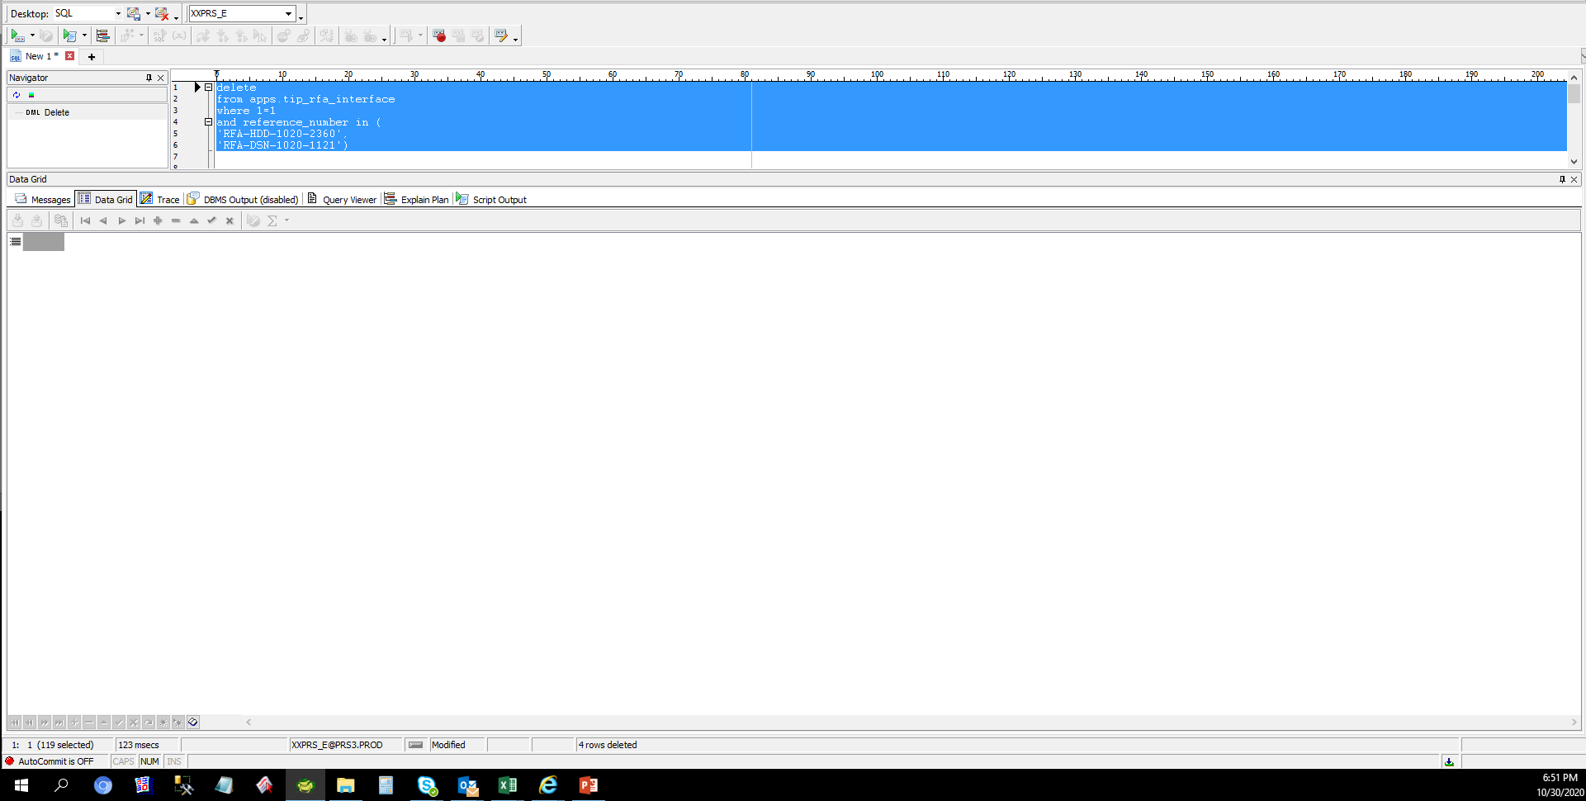
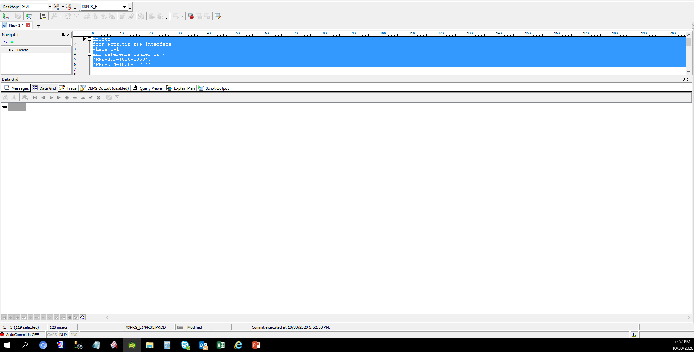
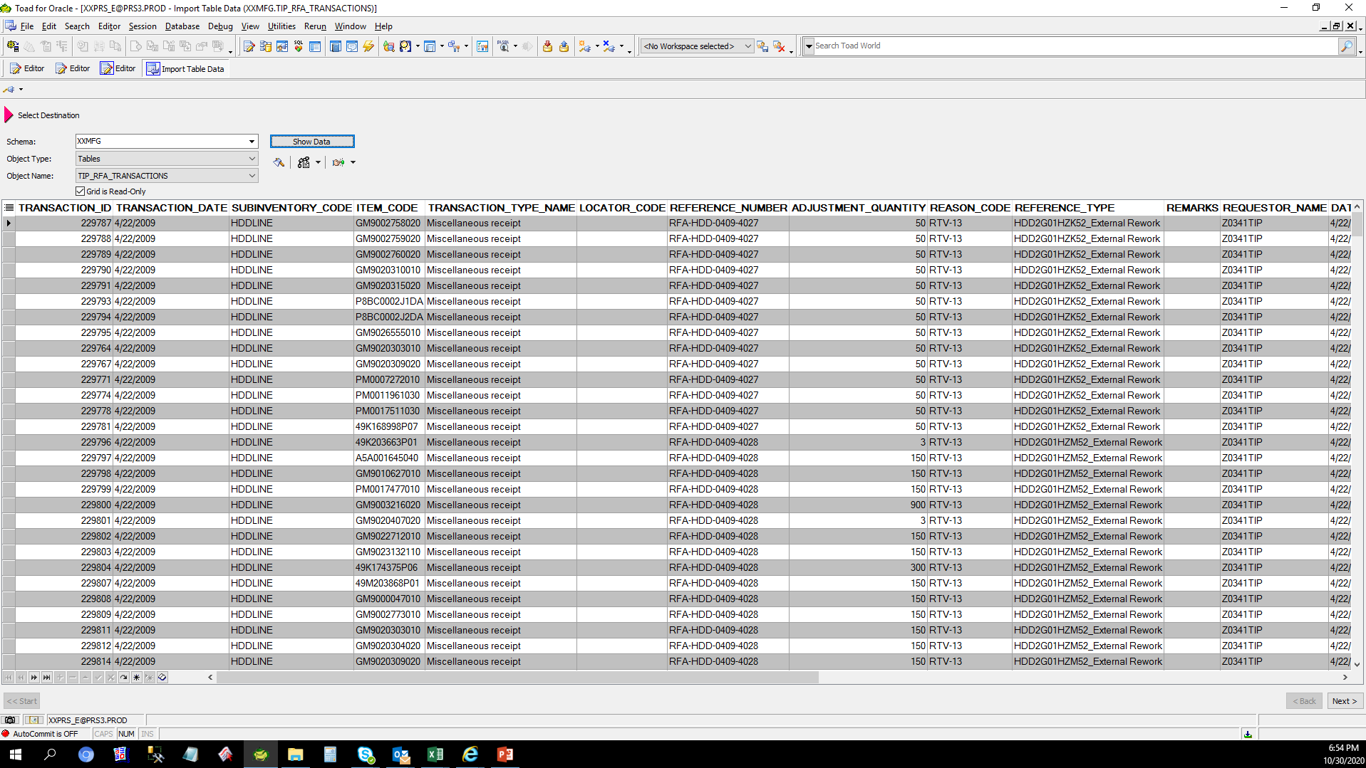
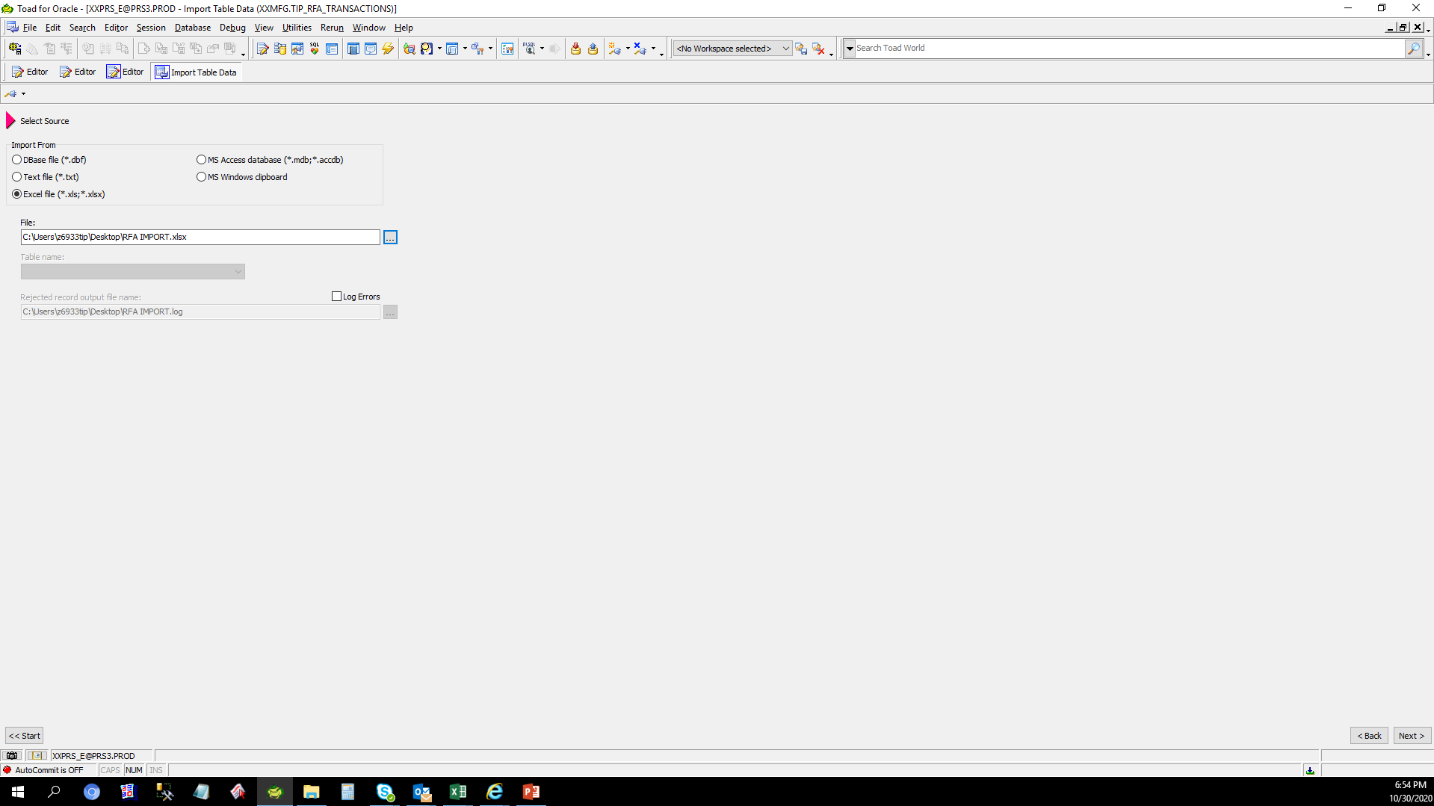
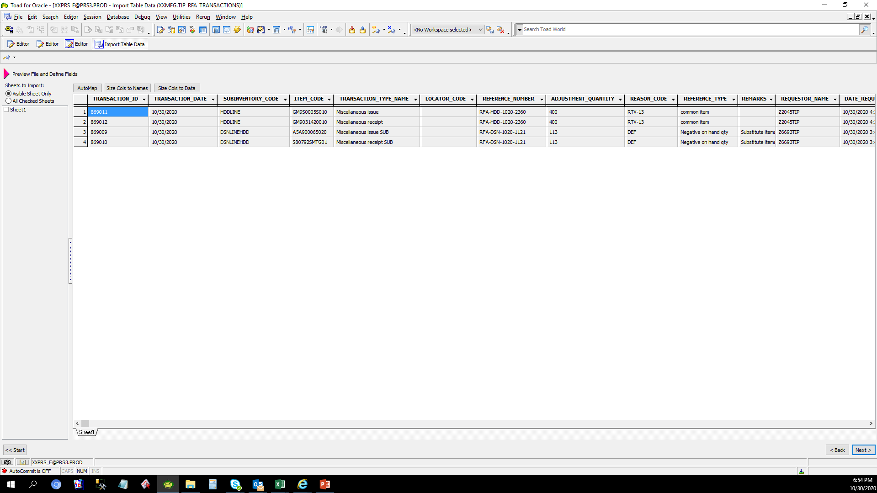
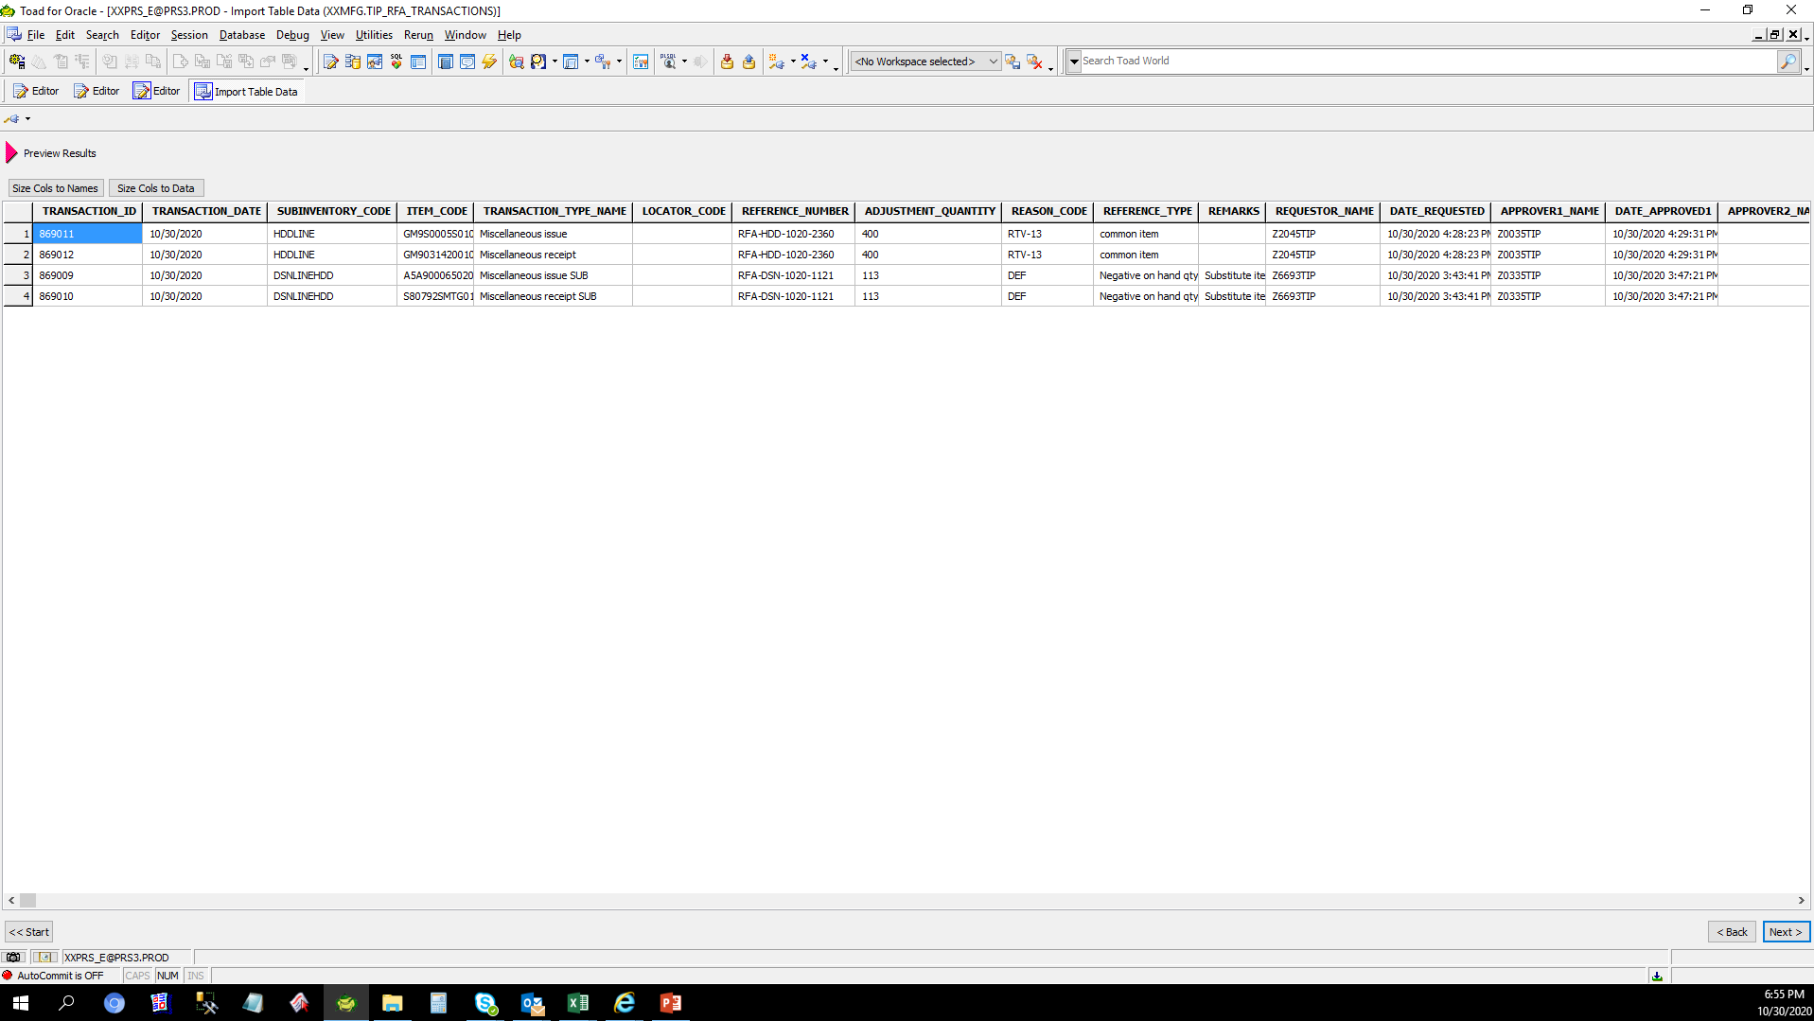
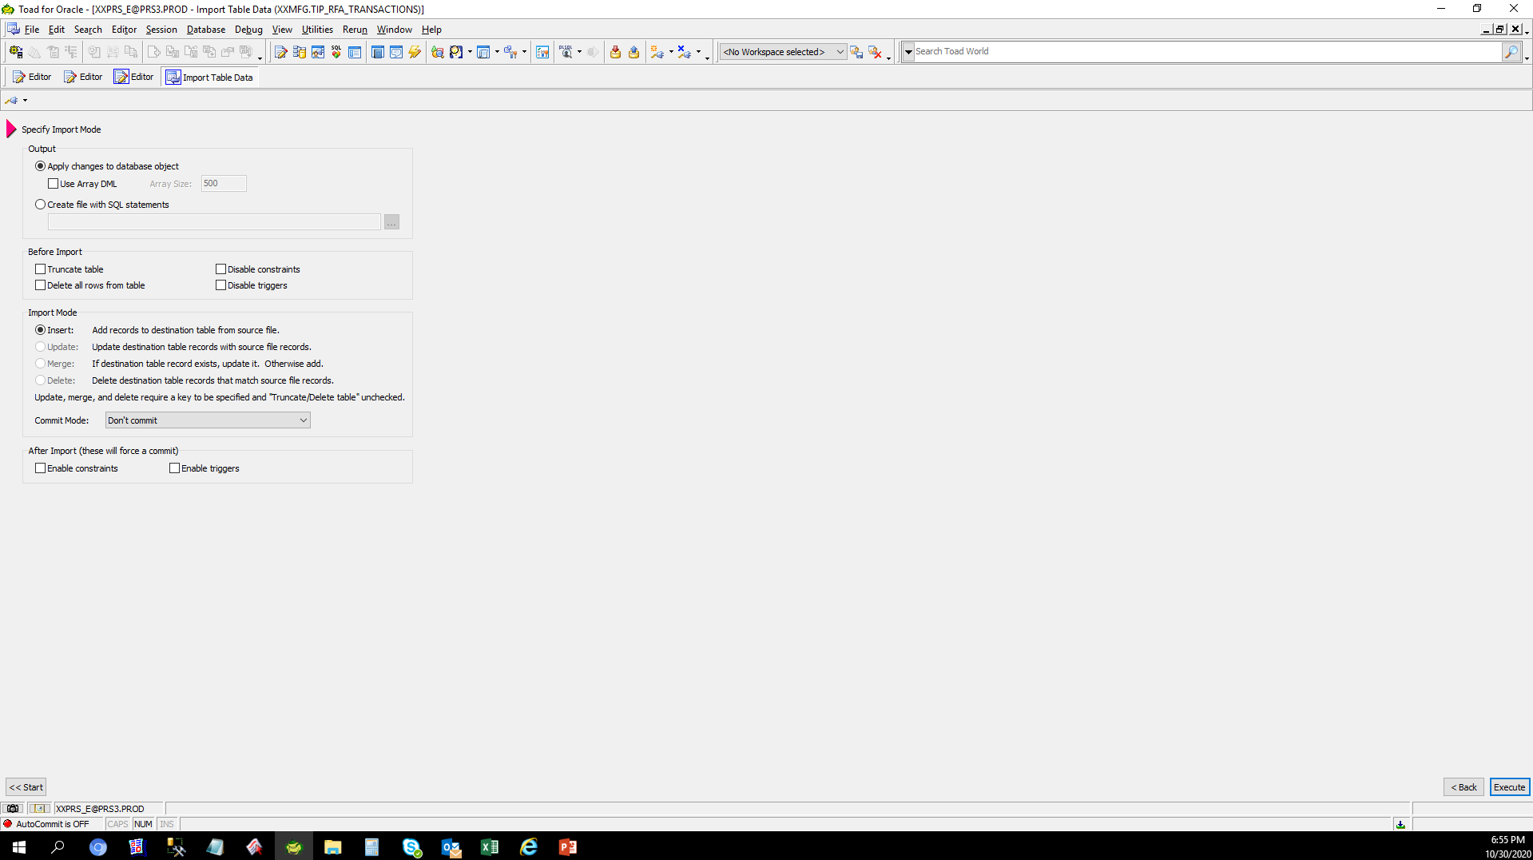
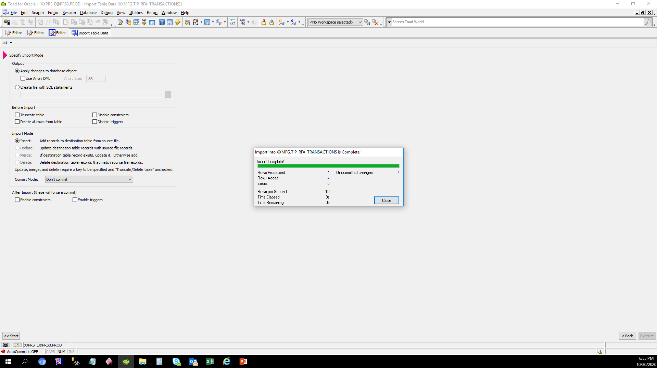
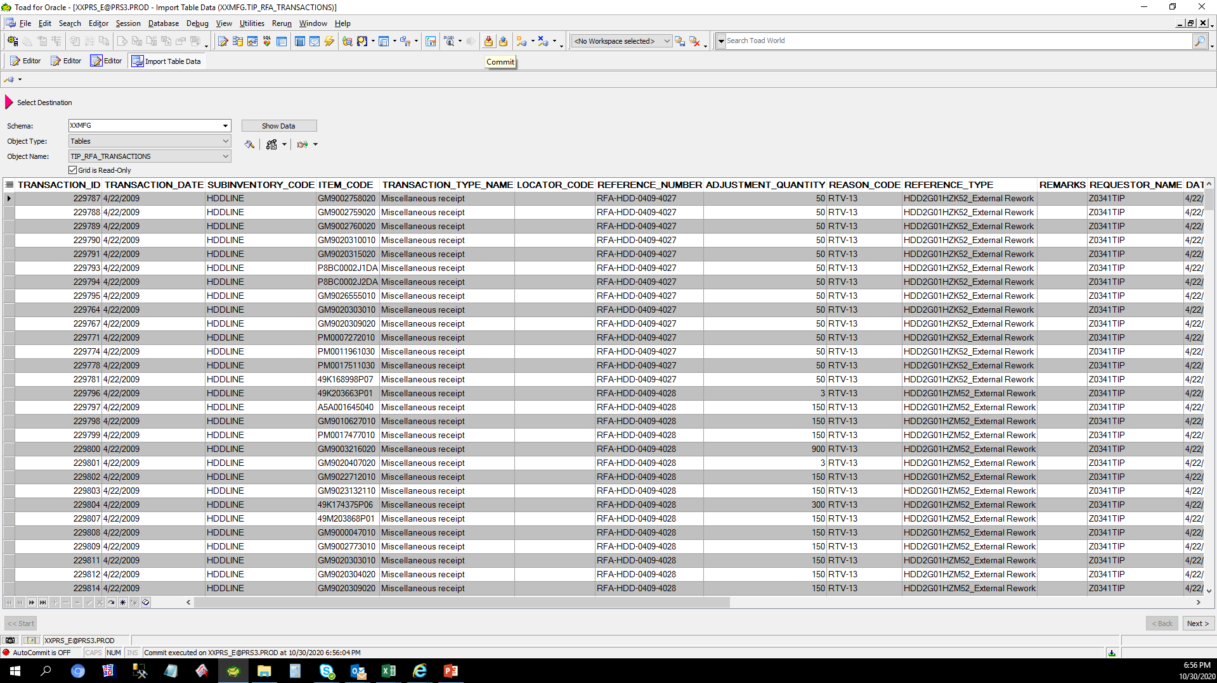
Actual Operation Evidence

 | TRANSACTION_ID | TRANSACTION_DATE | ORGANIZATION_ID | SUBINVENTORY_CODE | INVENTORY_ITEM_ID | ITEM_CODE | TRANSACTION_TYPE_ID | TRANSACTION_TYPE_NAME | LOCATOR_ID | LOCATOR_CODE | REFERENCE_NUMBER | ADJUSTMENT_QUANTITY | REASON_ID | REASON_CODE | REFERENCE_TYPE | REMARKS | NEXT_APPROVER | PROCESS_FLAG | REQUESTOR_ID | REQUESTOR_NAME | DATE_REQUESTED | APPROVER1_ID | APPROVER1_NAME | DATE_APPROVED1 | APPROVER2_ID | APPROVER2_NAME | DATE_APPROVED2 | ADJUSTED_BY_ID | ADJUSTED_BY_NAME | DATE_ADJUSTED | LAST_UPDATED_BY | LAST_UPDATED_DATE | ERROR_MESSAGE | RFA_FLAG
 | 869011 | 2020-10-30 | 127 | HDDLINE | 3289386 | GM9S0005S010 | 32 | Miscellaneous issue |  |  | RFA-HDD-1020-2360 | 400 | 63 | RTV-13 | common item |  | 7665 | 2 | 4551 | Z2045TIP | 10/30/20 | 4213 | Z0035TIP | 10/30/20 |  |  |  | 7665 | Z6191TIP | 10/30/20 | 7665 | 10/30/20 |  | 30
 | 869012 | 2020-10-30 | 127 | HDDLINE | 8403 | GM9031420010 | 42 | Miscellaneous receipt |  |  | RFA-HDD-1020-2360 | 400 | 63 | RTV-13 | common item |  | 7665 | 2 | 4551 | Z2045TIP | 10/30/20 | 4213 | Z0035TIP | 10/30/20 |  |  |  | 7665 | Z6191TIP | 10/30/20 | 7665 | 10/30/20 |  | 30
 | 869009 | 2020-10-30 | 123 | DSNLINEHDD | 3553052 | A5A900065020 | 155 | Miscellaneous issue SUB |  |  | RFA-DSN-1020-1121 | 113 | 78 | DEF | Negative on hand qty | Substitute items | 7665 | 2 | 10824 | Z6693TIP | 10/30/20 | 4900 | Z0335TIP | 10/30/20 |  |  |  | 7665 | Z6191TIP | 10/30/20 | 7665 | 10/30/20 |  | 20
 | 869010 | 2020-10-30 | 123 | DSNLINEHDD | 3145041 | S80792SMTG01 | 168 | Miscellaneous receipt SUB |  |  | RFA-DSN-1020-1121 | 113 | 78 | DEF | Negative on hand qty | Substitute items | 7665 | 2 | 10824 | Z6693TIP | 10/30/20 | 4900 | Z0335TIP | 10/30/20 |  |  |  | 7665 | Z6191TIP | 10/30/20 | 7665 | 10/30/20 |  | 20

Helpdesk Request
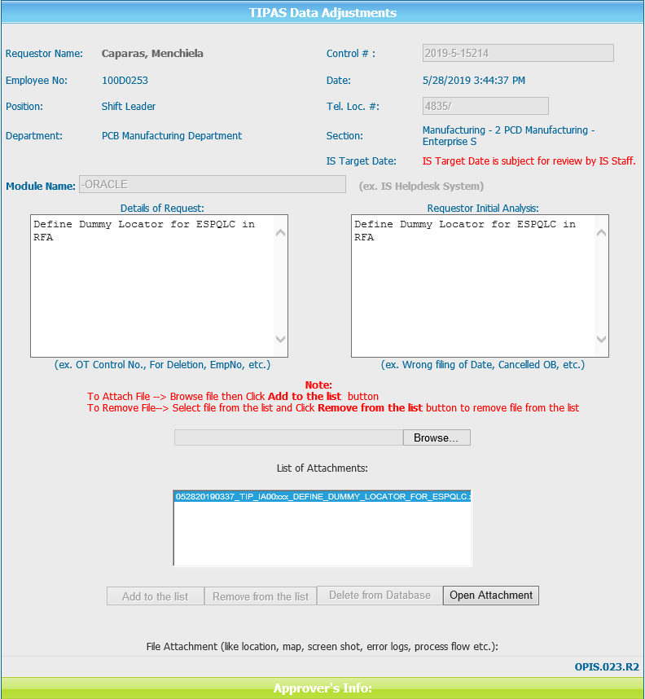
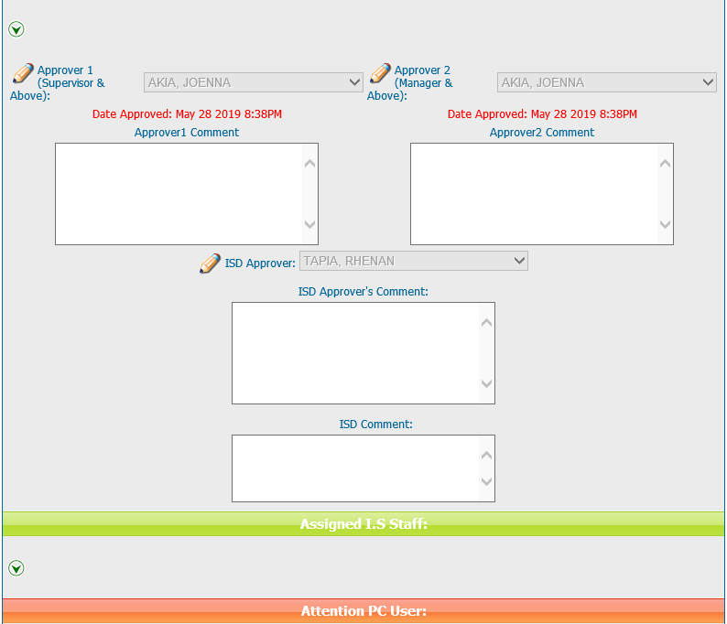
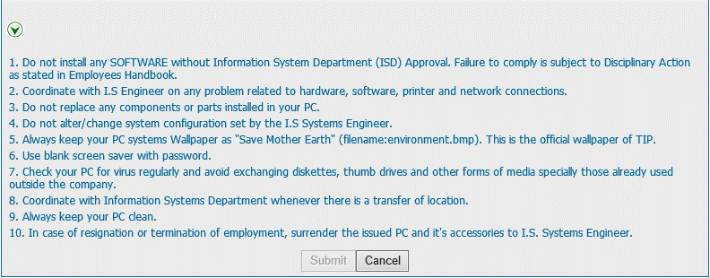
Helpdesk Request

 | ATTACH SCREENSHOT OF HELPDESK REQUEST.

